Summary
Binomial A/B test Calculator

Prior Function Selection

 | alpha | beta
prior | 1.0 | 1.0

Test Results

 |  |  |  |  | 95% Confidence Interval (CI) Limits |  | 99% Confidence Interval (CI) Limits
 | total | converted | COV% | Standard Error (std) | From | To | From | To
control | 8,220 | 8 | 0.10% | 0.03% | 0.03% | 0.16% | 0.01% | 0.19%
variant | 24,276 | 24 | 0.10% | 0.02% | 0.06% | 0.14% | 0.05% | 0.15%

Distribution of probabilities
 | Control | Variant
0.000144 | 0.24 | 0.00
0.000146 | 0.27 | 0.00
0.000149 | 0.30 | 0.00
0.000151 | 0.33 | 0.00
0.000154 | 0.37 | 0.00
0.000156 | 0.41 | 0.00
0.000158 | 0.46 | 0.00
0.000161 | 0.51 | 0.00
0.000163 | 0.56 | 0.00
0.000166 | 0.61 | 0.00
0.000168 | 0.68 | 0.00
0.000170 | 0.74 | 0.00
0.000173 | 0.81 | 0.00
0.000175 | 0.89 | 0.00
0.000178 | 0.97 | 0.00
0.000180 | 1.06 | 0.00
0.000182 | 1.16 | 0.00
0.000185 | 1.26 | 0.00
0.000187 | 1.37 | 0.00
0.000190 | 1.49 | 0.00
0.000192 | 1.61 | 0.00
0.000194 | 1.75 | 0.00
0.000197 | 1.89 | 0.00
0.000199 | 2.04 | 0.00
0.000202 | 2.20 | 0.00
0.000204 | 2.37 | 0.00
0.000206 | 2.55 | 0.00
0.000209 | 2.75 | 0.00
0.000211 | 2.95 | 0.00
0.000213 | 3.16 | 0.00
0.000216 | 3.39 | 0.00
0.000218 | 3.63 | 0.00
0.000221 | 3.89 | 0.00
0.000223 | 4.16 | 0.00
0.000225 | 4.44 | 0.00
0.000228 | 4.74 | 0.00
0.000230 | 5.05 | 0.00
0.000233 | 5.38 | 0.00
0.000235 | 5.72 | 0.00
0.000237 | 6.09 | 0.00
0.000240 | 6.47 | 0.00
0.000242 | 6.86 | 0.00
0.000245 | 7.28 | 0.00
0.000247 | 7.72 | 0.00
0.000249 | 8.18 | 0.00
0.000252 | 8.65 | 0.00
0.000254 | 9.15 | 0.00
0.000257 | 9.67 | 0.00
0.000259 | 10.22 | 0.00
0.000261 | 10.78 | 0.00
...

 |  |  |  |  |  |  |  | Probability that Variant is better than the control | 45.29%

 |  |  |  |  |  |  |  |  |  | Query results:
 |  |  |  |  |  |  |  | Results |  | campaign | impressions | user_count
 |  |  |  |  |  |  |  | Z Score | 0.04 | NewYear_V1 | 4430 | 57
 |  |  |  |  |  |  |  | P value | 0.4846 | NewYear_V2 | 13039 | 30
 |  |  |  |  |  |  |  |  |  | BlackFriday_V1 | 8220 | 8
 |  |  |  |  |  |  |  | Significant at 95% | NO | BlackFriday_V2 | 24276 | 24
 |  |  |  |  |  |  |  | Significant at 99% | NO

Uplift

Mean Uplift | 5.96%
Median Uplift | -5.18%
30th percentile | -19.92% | Always aim for a conservative uplift

Static Example for Interpretation

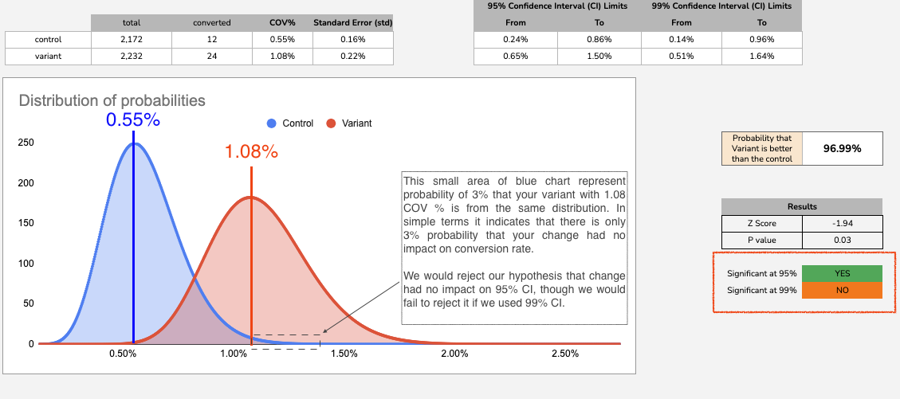

When performing A/B test you are looking to test if your changes (Variant) had significantly impacted your target metric (Conversion Rate COV% in this case)
Null hypothesis: your changes had no impact on COV%
Alternative hypothesis: your changes had significant impact on COV%

Histogram charts above show distribution of your collected data. As your data is Binomial (either user converts or not) you only need 2 parameters:
* Mean (avg.) - which in this particular case is defined as Conversion Rate (COV%)
* Standard error (std) - which can be calculated using your mean value (please see formulas a the top of sheet).
Vertical lines in distribution charts represent the mean (COV%) for both Control and Variant
You can clearly see from Red distribution graph, that it is very unlikely to get such COV%, actually there is only 3% probability to get it.
Thus depending on your Confidence Interval (CI) you either reject your hypothesis or accept it.

If we used 95% CI (we wanted to be sure on 95% that we are correct):
* We would be looking for less than 5% probability of our new COV% to be in original (Control) distribution.
* As in our case probability is only 3% (3% is less than 5%) we would reject our hypothesis, thus we could conclude that we significantly improved COV%.

If we used 99% CI (even stricter than before, we wanted to be sure on 99% that we are correct):
* We would be looking for less than 1% probability.
* Since in our case probability is 3% (3% is more than 1%) we would fail to reject our hypothesis, thus we would conclude that there is not enough evidence there was change.
How to chose confident interval (CI):
There are no rules which CI you should use as it simply means how sure you want to be that your changes had an impact. But the most common used value is 95%.

To do list:
Try experimenting with increasing sample size ("total" at the top of the sheet) to see how distributions in first chart changes.
Try experimenting with increasing conversions ("converted" at the top of the sheet) to see how distributions in first chart changes.
Try mixing with both control and variant sample sizes and conversions to see how charts changes.
Think about how significance of your results may be impacted by changing any of those values.

Results
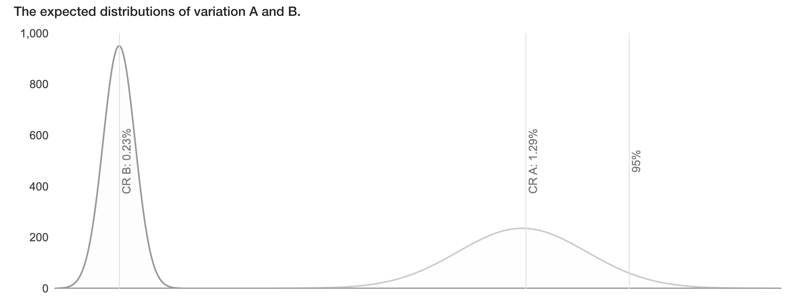
New Year:
 | campaign | Impressions | Clicks | Helper columns
Binomial A_B test Calculator | NewYear_V1 | 4430 | 57 | 0 | 2186.5
https://abtestguide.com/calc/ | NewYear_V2 | 13039 | 30 | 0 | 6504.5
Null Hypothesis: V1 and V2 have the same effect

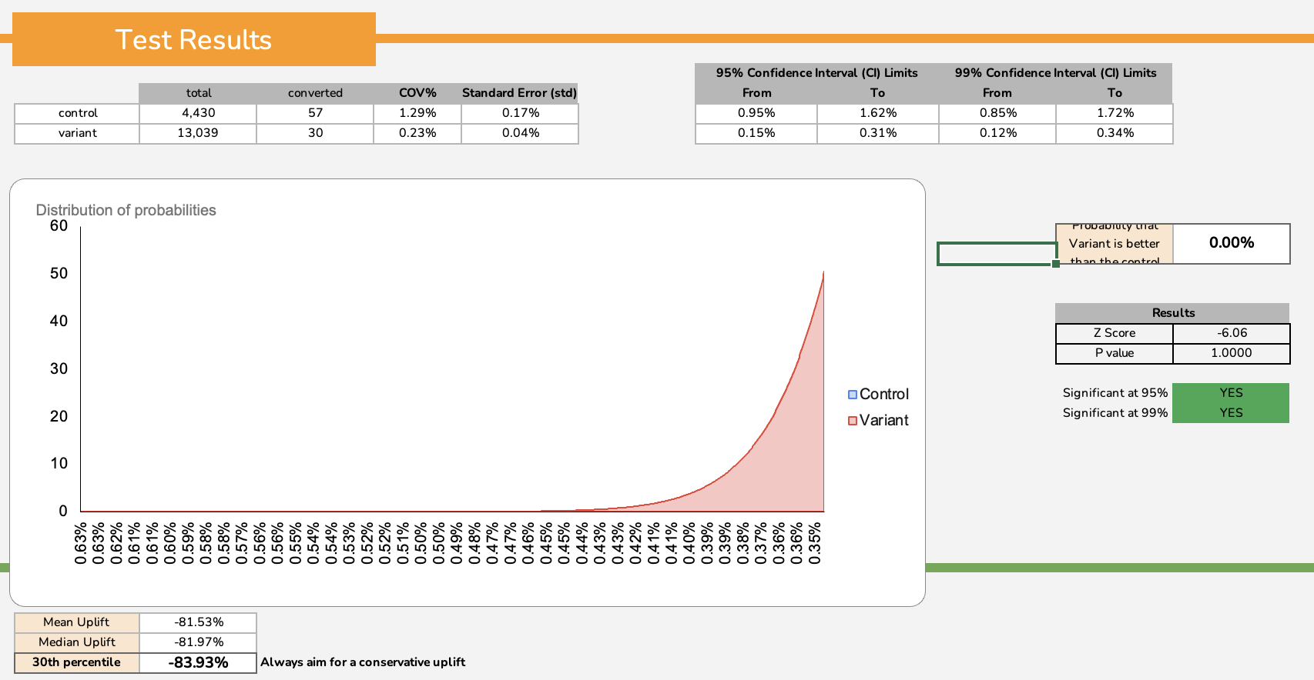

New Year V11,29%
New Year V20,23%

Result: Variant (V2) has much worse Conversion Rate, Null Hypothesis can be rejected

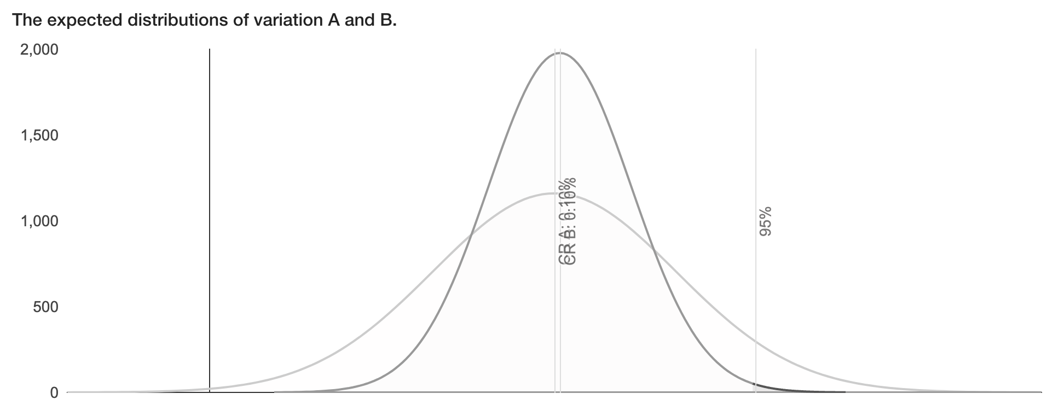
Black Friday
 | campaign | impressions | user_count | Helper columns
Binomial A_B test Calculator | BlackFriday_V1 | 8220 | 8 | 0 | 4106
https://abtestguide.com/calc/ | BlackFriday_V2 | 24276 | 24 | 0 | 12126
Null Hypothesis: V1 and V2 have the same effect

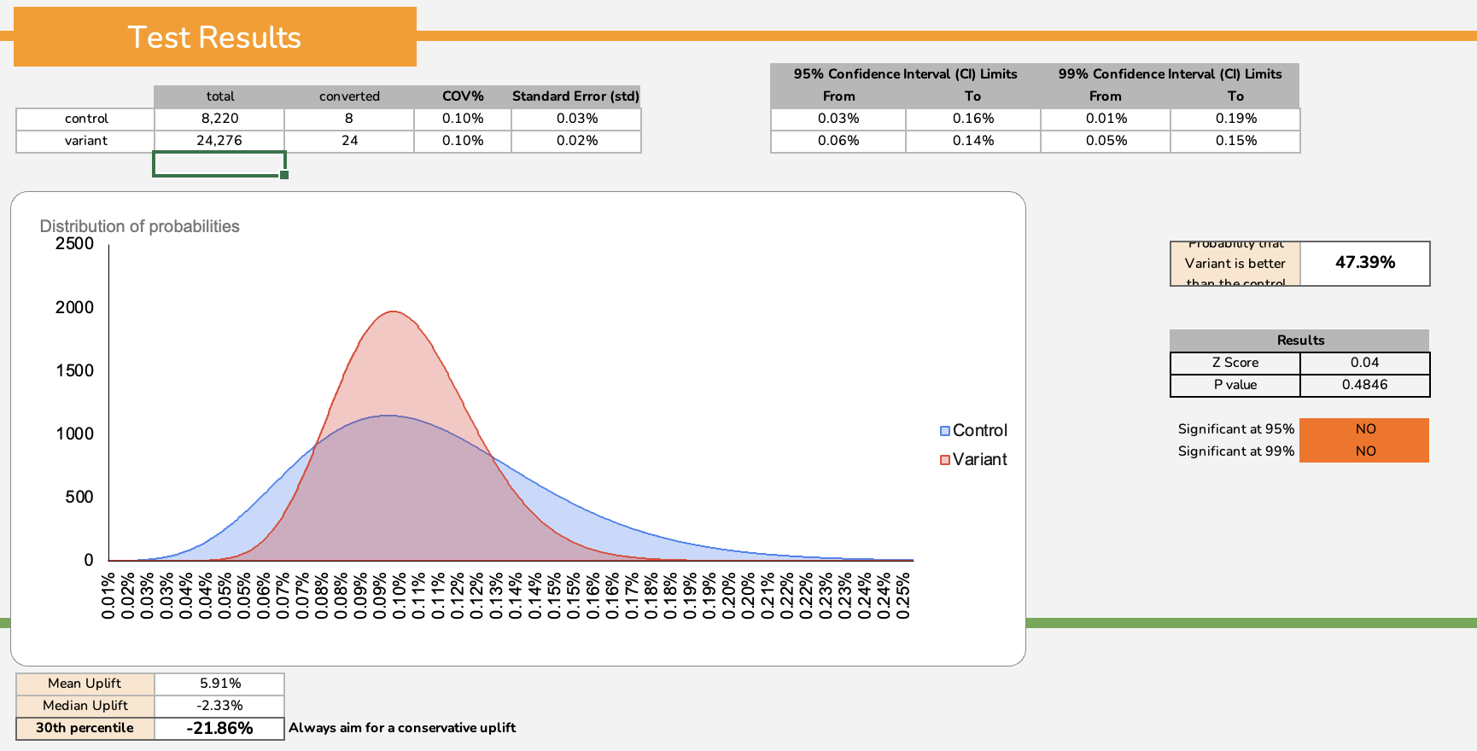

Black Friday V10,10%
Black Friday V20,10%

Result: Variant has the same Conversion Rate, we can't reject the Null Hypothesis

